Merge Sort
Average of 10 runs on UCD CSIF Computer (pc1.cs.ucdavis.edu) CPU: i7-9700 @ 3.00GHz 8 Cores (8 Threads)
 | --threads 8 16 32 --min_parallel_size 1 --thread_stack_size 1048576 --runs 10
 | Scroll to row 62 for the results running on the Ryzen AMD processor
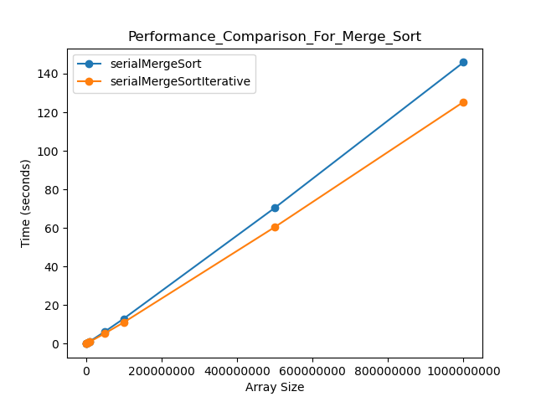
1 thread
size | serialMergeSort | serialMergeSortIterative
100000 | 0.009059 | 0.012325
1000000 | 0.100856 | 0.083875
5000000 | 0.548696 | 0.463215
10000000 | 1.152978 | 0.973812
50000000 | 6.251586 | 5.330894
100000000 | 12.967905 | 11.02112
500000000 | 70.408816 | 60.446024
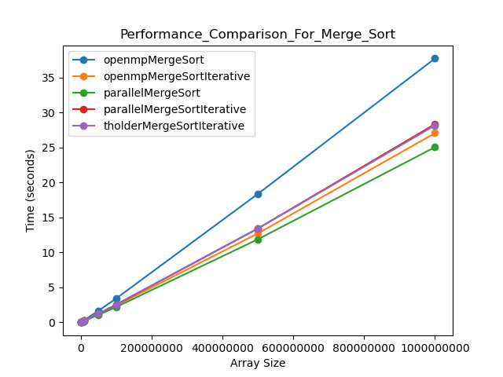
1000000000 | 145.897752 | 125.356229

8 threads
size | openmpMergeSort | openmpMergeSortIterative | parallelMergeSort | parallelMergeSortIterative | tholderMergeSortIterative
100000 | 0.004941 | 0.003349 | 0.004291 | 0.006727 | 0.004398
1000000 | 0.028069 | 0.018857 | 0.018947 | 0.019989 | 0.023949
5000000 | 0.146099 | 0.104294 | 0.098248 | 0.116815 | 0.121563
10000000 | 0.30702 | 0.219237 | 0.201737 | 0.238653 | 0.248711
50000000 | 1.644421 | 1.148486 | 1.057159 | 1.23355 | 1.231735
100000000 | 3.395035 | 2.394054 | 2.180144 | 2.517104 | 2.542229
500000000 | 18.361399 | 12.709114 | 11.87267 | 13.424582 | 13.398664
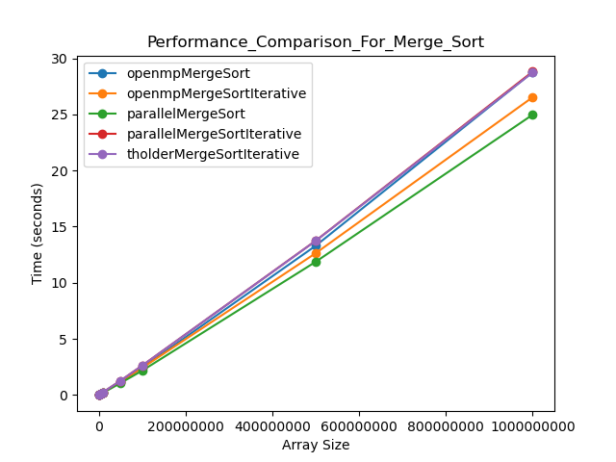
1000000000 | 37.750892 | 27.071864 | 25.05918 | 28.348523 | 28.172321

16 threads
size | openmpMergeSort | openmpMergeSortIterative | parallelMergeSort | parallelMergeSortIterative | tholderMergeSortIterative
100000 | 0.006732 | 0.005332 | 0.00753 | 0.010662 | 0.005392
1000000 | 0.021467 | 0.025162 | 0.023641 | 0.024794 | 0.025579
5000000 | 0.103594 | 0.110659 | 0.105224 | 0.120848 | 0.124383
10000000 | 0.212116 | 0.223385 | 0.207138 | 0.248485 | 0.25346
50000000 | 1.13616 | 1.150189 | 1.059637 | 1.271914 | 1.274079
100000000 | 2.431778 | 2.413732 | 2.168782 | 2.618926 | 2.616012
500000000 | 13.299479 | 12.636074 | 11.869688 | 13.746814 | 13.736817
1000000000 | 28.761044 | 26.532502 | 24.974392 | 28.811074 | 28.734524

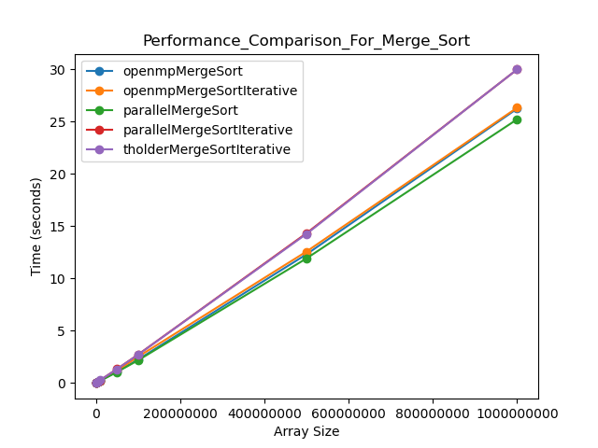
32 threads
size | openmpMergeSort | openmpMergeSortIterative | parallelMergeSort | parallelMergeSortIterative | tholderMergeSortIterative
100000 | 0.006817 | 0.008723 | 0.008911 | 0.01023 | 0.006409
1000000 | 0.023434 | 0.025735 | 0.0243 | 0.032093 | 0.027805
5000000 | 0.107791 | 0.112044 | 0.108532 | 0.132821 | 0.13428
10000000 | 0.213644 | 0.22638 | 0.207369 | 0.264339 | 0.272791
50000000 | 1.084686 | 1.164587 | 1.052348 | 1.33827 | 1.32968
100000000 | 2.246949 | 2.508034 | 2.170314 | 2.711144 | 2.70214
500000000 | 12.309436 | 12.574773 | 11.917096 | 14.326677 | 14.26103
1000000000 | 26.232778 | 26.325989 | 25.216354 | 29.981976 | 29.982909

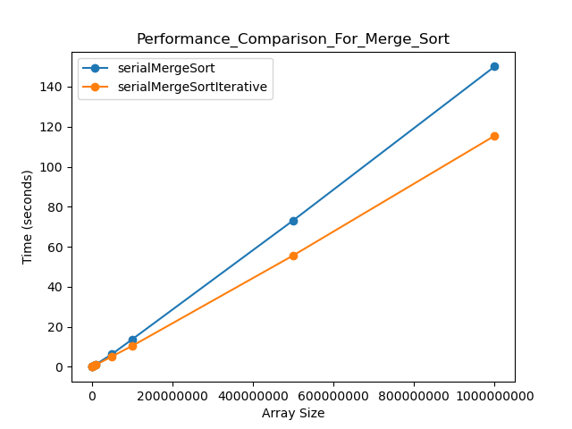
Average of 10 runs on Ryzen Threadripper PRO 3955WX 16-Cores
1 thread | --threads 8 16 32 --min_parallel_size 1 --thread_stack_size 1048576 --runs 10
size | serialMergeSort | serialMergeSortIterative
100000 | 0.008687 | 0.00635
1000000 | 0.098085 | 0.075133
5000000 | 0.534201 | 0.416732
10000000 | 1.145367 | 0.882226
50000000 | 6.274221 | 5.159862
100000000 | 13.638041 | 10.367892
500000000 | 73.13169 | 55.634793
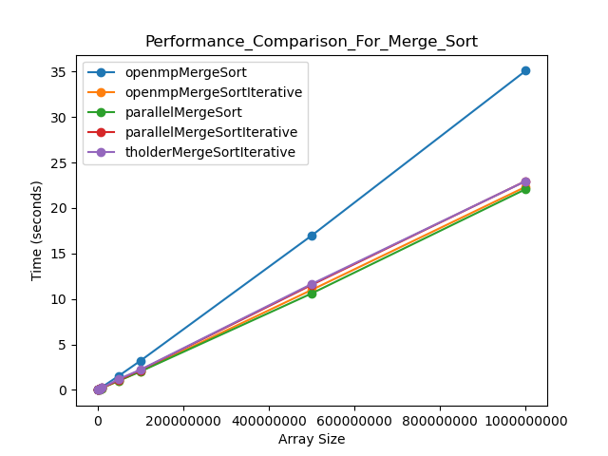
1000000000 | 150.08566 | 115.462039

8 threads
size | openmpMergeSort | openmpMergeSortIterative | parallelMergeSort | parallelMergeSortIterative | tholderMergeSortIterative
100000 | 0.002554 | 0.001808 | 0.002158 | 0.00462 | 0.002223
1000000 | 0.025679 | 0.016797 | 0.016766 | 0.022099 | 0.018924
5000000 | 0.135075 | 0.088805 | 0.093169 | 0.099402 | 0.09513
10000000 | 0.283969 | 0.186393 | 0.197934 | 0.210589 | 0.203743
50000000 | 1.549268 | 1.002566 | 1.008454 | 1.073117 | 1.195216
100000000 | 3.186014 | 2.039182 | 2.013464 | 2.173331 | 2.211711
500000000 | 16.966061 | 10.990475 | 10.603998 | 11.544002 | 11.642148
1000000000 | 35.103426 | 22.339816 | 22.079446 | 22.974484 | 22.967632
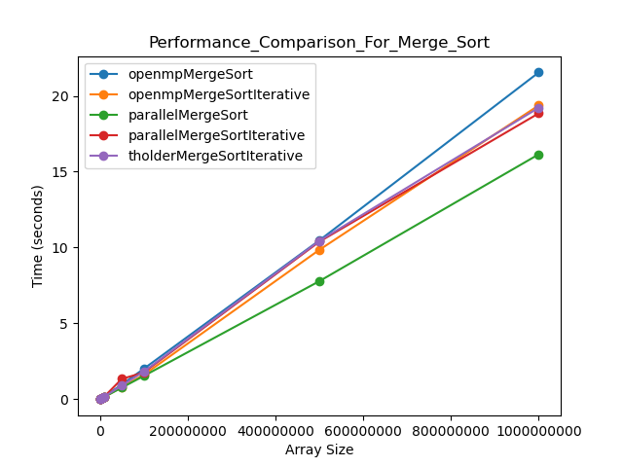

16 threads
size | openmpMergeSort | openmpMergeSortIterative | parallelMergeSort | parallelMergeSortIterative | tholderMergeSortIterative
100000 | 0.002151 | 0.001779 | 0.002243 | 0.007484 | 0.002346
1000000 | 0.017442 | 0.01382 | 0.015395 | 0.021891 | 0.015337
5000000 | 0.090557 | 0.072185 | 0.073457 | 0.083526 | 0.084486
10000000 | 0.18444 | 0.150006 | 0.152048 | 0.171028 | 0.175126
50000000 | 0.96854 | 0.805256 | 0.766426 | 1.342363 | 0.904015
100000000 | 2.006585 | 1.605887 | 1.536783 | 1.766497 | 1.82017
500000000 | 10.467718 | 9.846957 | 7.782655 | 10.384979 | 10.440034
1000000000 | 21.545558 | 19.37257 | 16.147353 | 18.848568 | 19.216133

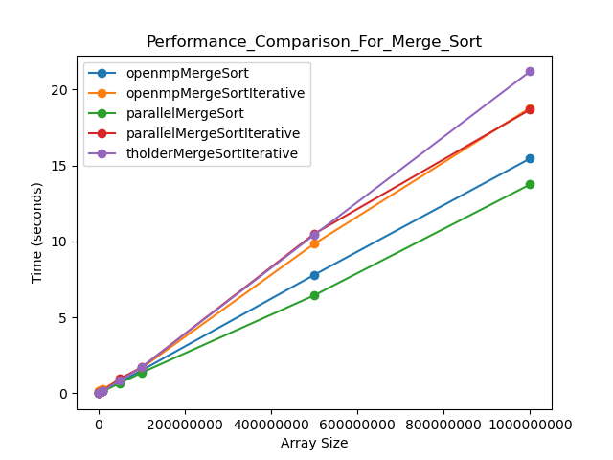
32 threads
size | openmpMergeSort | openmpMergeSortIterative | parallelMergeSort | parallelMergeSortIterative | tholderMergeSortIterative
100000 | 0.01547 | 0.131287 | 0.002858 | 0.013777 | 0.002736
1000000 | 0.022672 | 0.155137 | 0.013534 | 0.026987 | 0.015469
5000000 | 0.076235 | 0.207274 | 0.063633 | 0.082716 | 0.076847
10000000 | 0.151505 | 0.27241 | 0.127536 | 0.16331 | 0.1602
50000000 | 0.739925 | 0.903066 | 0.6711 | 0.951785 | 0.838186
100000000 | 1.503122 | 1.654691 | 1.350825 | 1.705778 | 1.710692
500000000 | 7.794389 | 9.83797 | 6.446614 | 10.495752 | 10.424742
1000000000 | 15.458327 | 18.783624 | 13.750531 | 18.675233 | 21.193486

Radix Sort
Performance Result on Radix Sort
Machine Specification:
UCD CSIF Computer (pc1.cs.ucdavis.edu)
CPU: i7-9700 @ 3.00GHz 8 Cores (8 Threads) |  |  | 

Collected the average execution time (s) of sorting process. (10 runs)

num_threads = 8 |  |  |  | * = OMP_WAIT_POLICY Enabled
N (E+06) | sequential | pthreads | OpenMP | OpenMP* | tholder
1 | 0.036904 | 0.040301 | 0.032613 | 0.030365 | 0.031536
5 | 0.239912 | 0.209245 | 0.228452 | 0.209625 | 0.192538
10 | 0.509961 | 0.431088 | 0.456254 | 0.443551 | 0.39524
50 | 2.791394 | 1.999022 | 2.65351 | 2.479378 | 1.899493
100 | 5.781306 | 4.085281 | 5.311515 | 4.882522 | 3.926801
500 | 30.923298 | 22.148238 | 29.149073 | 28.861441 | 20.67424
1000 | 63.970296 | 45.856447 | 56.942749 | 58.928729 | 42.831539
Summary: Performance Rank: tholder > pthreads > OpenMP > OpenMP* > sequential

Machine 2 (Number of threads = 8)
Machine 2 (Number of threads = 16)
Below are outdated (using old implementation)
CPU: 2x Xeon E5-2637@ 3.5 GHz 8 Cores (16 Threads)
num_threads = 8 |  |  |  | * = OMP_WAIT_POLICY Enabled
N (E+06) | sequential | pthreads | OpenMP | OpenMP* | tholder
1 | 0.060221 | 0.069407 |  |  | 0.067923
5 | 0.4304 | 0.467095 |  |  | 0.417094
10 | 0.870004 | 0.980961 |  |  | 0.803463
50 | 4.765949 | 3.945591 |  |  | 4.420814
100 | 9.772671 | 9.228701 |  |  | 8.713475
500 | 50.957352 | 42.696517 |  |  | 50.550155
1000 | 109.965912 | 108.936416 |  |  | 92.499033

num_threads = 16 |  |  |  | * = OMP_WAIT_POLICY Enabled
N (E+06) | sequential | pthreads | OpenMP | OpenMP* | tholder
1 | 0.060221 | 0.067244 |  |  | 0.043747
5 | 0.4304 | 0.257602 |  |  | 0.250719
10 | 0.870004 | 0.497418 |  |  | 0.530238
50 | 4.765949 | 2.535054 |  |  | 2.632755
100 | 9.772671 | 5.02893 |  |  | 5.195894
500 | 50.957352 | 26.032967 |  |  | 26.327486
1000 | 109.965912 | 56.564804 |  |  | 58.346209
Summary: There exists big disparity between each run for num_threads = 8 (execution time increase/decrease up to a factor of 2), stabilizes at num_threads = 16. No noticeable improvements for tholder implementation.

CPU: 2x Xeon E5-2630@ 2.4 GHz 16 Cores (32 Threads)
num_threads = 8 |  |  |  | * = OMP_WAIT_POLICY Enabled
N (E+06) | sequential | pthreads | OpenMP | OpenMP* | tholder
1 | 0.066035 | 0.113401 |  |  | 0.116578
5 | 0.489128 | 0.681373 |  |  | 0.491837
10 | 1.018452 | 1.360298 |  |  | 1.248502
50 | 5.496858 | 6.110249 |  |  | 5.88138
100 | 11.39374 | 13.463683 |  |  | 11.860959
500 | 60.687109 | 73.664465 |  |  | 59.208397
1000 | 125.304204 | 146.758374 |  |  | 138.208656

num_threads = 16 |  |  |  | * = OMP_WAIT_POLICY Enabled
N (E+06) | sequential | pthreads | OpenMP | OpenMP* | tholder
1 | 0.066035 | 0.065844 |  |  | 0.065692
5 | 0.489128 | 0.324152 |  |  | 0.340666
10 | 1.018452 | 0.674497 |  |  | 0.693333
50 | 5.496858 | 3.57534 |  |  | 3.42768
100 | 11.39374 | 7.102156 |  |  | 7.115679
500 | 60.687109 | 36.279427 |  |  | 37.196914
1000 | 125.304204 | 75.82187 |  |  | 74.516971

num_threads = 32 |  |  |  | * = OMP_WAIT_POLICY Enabled
N (E+06) | sequential | pthreads | OpenMP | OpenMP* | tholder
1 | 0.066035 | 0.087921 |  |  | 0.049598
5 | 0.489128 | 0.327373 |  |  | 0.312944
10 | 1.018452 | 0.726732 |  |  | 0.695798
50 | 5.496858 | 4.086395 |  |  | 4.123066
100 | 11.39374 | 8.6042 |  |  | 8.391106
500 | 60.687109 | 44.6787 |  |  | 42.388785
1000 | 125.304204 | 90.649285 |  |  | 83.906981
Summary: There exists big disparity between each run for num_threads = 8 (execution time increase/decrease up to a factor of 2), stabilizes at num_threads = 16, 32. No noticeable improvements for tholder implementation.

Cholesky Factorization
Machine #1: | UCD CSIF (pc1.cs.ucdavis.edu) | CPU Info: | Intel Core i7-9700 @ 3.00 GHz (8 cores, 8 threads) |  | * means OMP_WAIT_POLICY enabled
Machine 1 (num_threads=8): Cholesky Decomposition
Matrix Size | cholesky_serial | cholesky_parallel_pthreads | cholesky_openmp | cholesky_tholder | cholesky_openmp_enabled
1000 | 0.1343642 | 0.1124039 | 0.1557583 | 0.0515768 | 0.1669438
2000 | 1.1285872 | 0.5523014 | 0.6305636 | 0.3666727 | 0.6445452
4000 | 10.1229431 | 2.5413378 | 3.0527958 | 3.891334 | 3.0812197
8000 | 81.9319863 | 21.9527209 | 26.436681 | 24.1290861 | 27.8287545

Machine #2: | Lenovo Yoga 7i | CPU Info: | Intel Core i7-1360P @ 3.70 GHz (12 cores, 16 threads)

Matrix Size | cholesky_serial | cholesky_parallel_pthreads | cholesky_openmp | cholesky_tholder
1000 | 0.0690844 | 0.213532 |  | 0.1043052
2000 | 0.5873177 | 0.5403136 |  | 0.333402
4000 | 6.4911297 | 2.858524 |  | 2.280232
8000 | 52.6196579 | 19.3072293 |  | 18.0188889

Machine #3: |  | CPU Info: | Intel Core i7-14700K @ 3.40 GHz (20 cores, 28 threads)

Matrix Size | cholesky_serial | cholesky_parallel_pthreads | cholesky_openmp | cholesky_tholder
1000 | 0.0572917 | 0.19717 |  | 0.0896688
2000 | 0.4867841 | 0.4394298 |  | 0.2316824
4000 | 5.1223326 | 1.5246112 |  | 1.0286538
8000 | 47.6844915 | 9.8904328 |  | 8.9934811

Note: | Numbers in table are averages computed from a total of 10 trials.

Machine 3 (num_threads=8): Cholesky Decomposition
Machine 2 (num_threads=8): Cholesky Decomposition

Breadth-First Search
UCD CSIF Computer (pc1.cs.ucdavis.edu)
CPU: i7-9700 @ 3.00GHz 8 Cores (8 Threads)

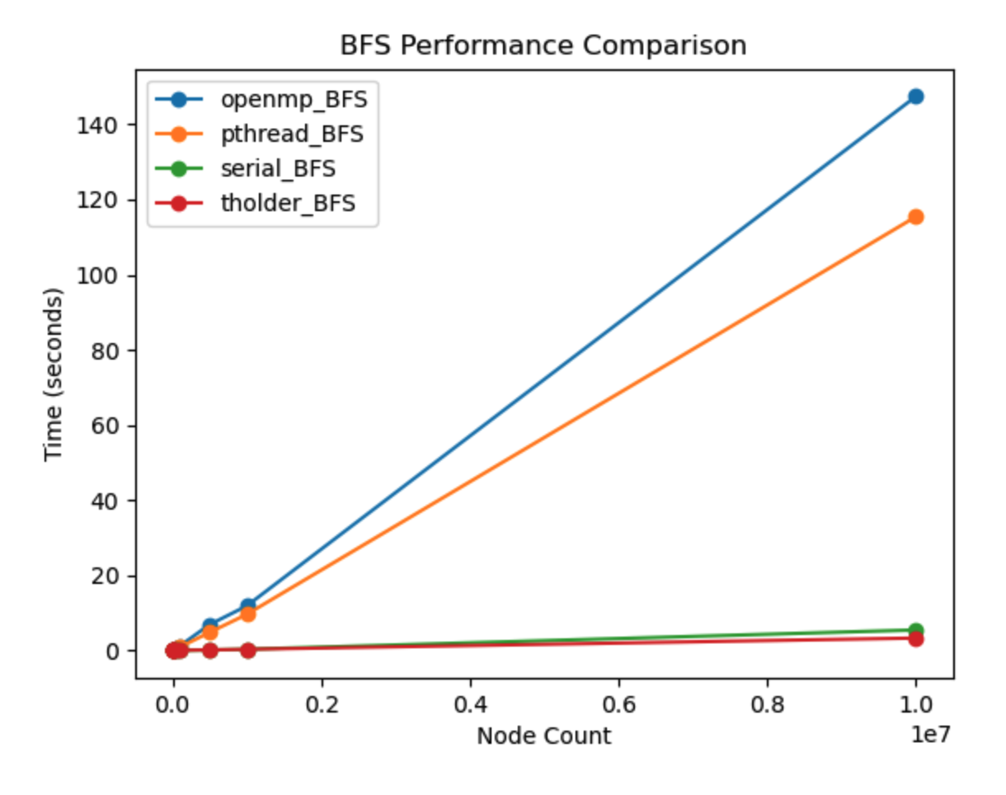
N | serial | parallel | openmp | tholder
10 | 1600.6 | 675380.2 | 457433.0 | 876515.0
100 | 55908.8 | 1036728.0 | 1980742.0 | 411693.4
1000 | 265678.6 | 16720993.6 | 17411872.2 | 4464595.6
2000 | 1117932.8 | 17613418.0 | 32955073.8 | 5413555.2
5000 | 821060.0 | 45278876.8 | 76012199.8 | 3088479.2
10000 | 1613078.4 | 89916701.2 | 140487066.8 | 5585497.0
50000 | 9325071.8 | 442066947.8 | 677379053.6 | 23151380.0
100000 | 20253270.2 | 909280273.4 | 1224670492.0 | 41179277.4
500000 | 145382963.6 | 4822208475.0 | 6896459623.0 | 175574426.0
1000000 | 337103752.4 | 9621345053.0 | 11871831269.6 | 334758493.4
10000000 | 5467766732.8 | 115457265417.4 | 147460705702.8 | 3310771406.0

PageRank
UCD CSIF Computer (pc1.cs.ucdavis.edu) |  |  |  | average over 10 runs
CPU: i7-9700 @ 3.00GHz 8 Cores (8 Threads)
 | threshold = 0.0000000001

Performance (seconds)
Performance Result on PageRank
Matrix Size | Serial | Parallel | Tholder | OpenMP | Wait policy | # parallel
10 | 0.000026 | 0.00871 | 0.004122 | 0.00095 | 0.000908 | 58
50 | 0.000708 | 0.010236 | 0.005011 | 0.001645 | 0.001608 | 80
100 | 0.004356 | 0.01141 | 0.006657 | 0.003068 | 0.002832 | 101
500 | 0.022452 | 0.01408 | 0.009499 | 0.003652 | 0.003961 | 108
1000 | 0.097042 | 0.024014 | 0.031181 | 0.0156 | 0.01312 | 112
5000 | 2.731636 | 0.635266 | 0.715851 | 0.615598 | 0.61843 | 114
10000 | 10.736194 | 2.450111 | 2.469506 | 2.445363 | 2.446828 | 112
50000 | 1888.929354 | 284.561385 | 281.002061 | 283.286411 | 282.974905 | 875

 | threshold = 0.0000000001
Matrix Size | Serial | Parallel | Tholder | OpenMP | Wait policy | # parallel
10000 | 10.736194 | 2.450111 | 2.469506 | 2.445363 | 2.446828 | 112
20000 | 39.384124 | 5.272352 | 5.391035 | 5.326546 | 5.23772 | 113
30000 | 89.906582 | 12.638849 | 12.5506 | 12.628081 | 12.510575 | 115
Performance
40000 | 1218.560219 | 183.799351 | 179.550875 | 179.841373 | 179.165239 | 870
50000 | 1888.929354 | 284.561385 | 281.002061 | 283.286411 | 282.974905 | 875
N = 10000
threshold | serial | parallel | tholder | # parallel
1.00E-05 | 3.449876 | 1.030274 | 1.045663 | 47
1.00E-10 | 10.766509 | 2.441919 | 2.484495 | 112
1.00E-15 | 16.926219 | 4.054826 | 4.1736 | 176
1.00E-20 | 23.451384 | 5.604605 | 5.496841 | 243

 |  | 32.732289 | 32.347508 | 160
 |  | 35.819316 | 36.279452
 |  | 183.799351 | 179.550875
 |  | 284.561385 | 281.002061

threshold | parallel | tholder | # parallel
1.00E-05 | 5.02937 | 5.160525 | 49
1.00E-10 | 12.638849 | 12.5506 | 113
1.00E-15 |  | 20.154967
1.00E-20

 | OUTDATED DUE TO DATA GENERATION METHOD
 | threshold = 0.000001
N | serial | parallel | tholder | # parallel
10 | 0.0000206 | 0.0039942 | 0.002042
50 | 0.0001992 | 0.0022428 | 0.0018957
100 | 0.0008213 | 0.0021591 | 0.0007868
500 | 0.0037135 | 0.0019133 | 0.0013085
1000 | 0.0111824 | 0.0035297 | 0.0042395
5000 | 0.266908 | 0.0687441 | 0.0745818
10000 | 0.973832 | 0.243243 | 0.2486248
50000 | 22.197088 | 5.492942 | 5.487635

 | threshold = 0.0000000001
10 | 0.000044 | 0.012208 | 0.007312 | 103
50 | 0.000575 | 0.009576 | 0.004107 | 65
100 | 0.00189 | 0.007311 | 0.00376 | 44
500 | 0.006957 | 0.004807 | 0.003112 | 33
1000 | 0.027306 | 0.007489 | 0.010797 | 31
5000 | 0.631227 | 0.15719 | 0.182467 | 26
10000 | 2.428838 | 0.604075 | 0.628765 | 25
50000 | 54.059601 | 13.435896 | 13.445569 | 22

